Sheet1
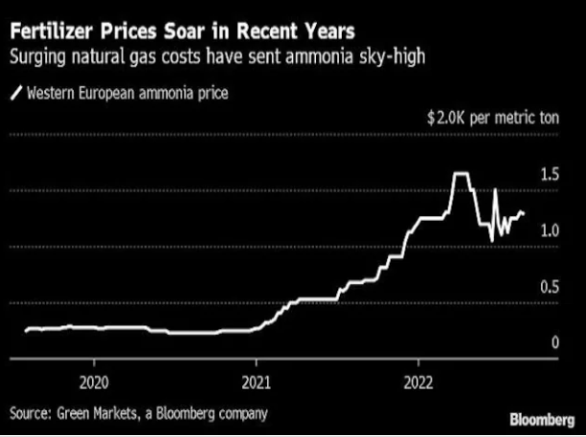
 | 377.5
 | 318.5 | 59 | 1000
Jul-19 | 347.5 | 30 | 508.47
Aug-19 | 346.5 | 31 | 525.42
Sep-19 | 346.5 | 31 | 525.42
Oct-19 | 344.5 | 33 | 559.32
Nov-19 | 344.5 | 33 | 559.32
Dec-19 | 344.5 | 33 | 559.32
Jan-20 | 344.5 | 33 | 559.32
Feb-20 | 345.5 | 32 | 542.37
Mar-20 | 344.5 | 33 | 559.32
Apr-20 | 344.5 | 33 | 559.32
May-20 | 344.5 | 33 | 559.32
Jun-20 | 348.5 | 29 | 491.53
Jul-20 | 350.5 | 27 | 457.63
Aug-20 | 350.5 | 27 | 457.63
Sep-20 | 349.5 | 28 | 474.58
Oct-20 | 349.5 | 28 | 474.58
Nov-20 | 347.5 | 30 | 508.47
Dec-20 | 347.5 | 30 | 508.47
Jan-21 | 337.5 | 40 | 677.97
Feb-21 | 328.5 | 49 | 830.51
Mar-21 | 318.5 | 59 | 1000.00
Apr-21 | 314.5 | 63 | 1067.80
May-21 | 314.5 | 63 | 1067.80
Jun-21 | 305.5 | 72 | 1220.34
Jul-21 | 298.5 | 79 | 1338.98
Aug-21 | 296.5 | 81 | 1372.88
Sep-21 | 285.5 | 92 | 1559.32
Oct-21 | 276.5 | 101 | 1711.86
Nov-21 | 270.5 | 107 | 1813.56
Dec-21 | 230.5 | 147 | 2491.53
Jan-22 | 229.5 | 148 | 2508.47
Feb-22 | 224.5 | 153 | 2593.22
Mar-22 | 184.5 | 193 | 3271.19
Apr-22 | 204.5 | 173 | 2932.20
May-22 | 237.5 | 140 | 2372.88
Jun-22 | 244.5 | 133 | 2254.24
Jul-22 | 225.5 | 152 | 2576.27

